Sheet1
What is the selling price for a bond that yields 4% interest payable annually, has a 5-year term, and has a face value of $5,000 and a stated rate of 3%?

 | n=5
 | 150
 | 5 payments of 150

 | Present Value Factor | 0.82193 | 4109.65
 | Present Value of Principal | 4109.65
 | Present Value of Interest | 667.773
 | Selling Price of Bonds | 4777.423

 | Present Value of Principal | $55,839.00 |  | 4000
 | Present Value of Interest | $29,440.36
 | Selling Price of Bonds | $85,279.36 | $14,720.64
 |  |  | $1,472.06

 | Curtis, Inc. sold $200,000 of bonds paying interest semiannually with a 5-year term. The stated rate on the bonds is 10%, and the market rate of interest is 8%. What are the proceeds of the bond sale?

 | Present Value of Principal | 135112
 | Present Value of Interest | 81109 | 10000
 | Selling Price of Bonds | 216221
 |  | 8648.84
 |  | 10000 | -1351.16

 |  | 600000
 |  | 20 Terms | 36000 |  |  | Present Value of Principal | 187080
 |  | 12% MV | 6% @ 20 Terms | 0.3118 |  | Present Value of Interest | 412917.12
 |  | 12% SV | 6% @ 20 Terms | 11.46992 |  | Selling Price of Bonds | 599997.12
 |  |  |  |  |  |  | 35999.8272
 |  |  |  |  |  |  | -36000

 |  | 100000 | 9000
 |  | 9% Stated Rate |  |  | Present Value of Principal |  | 1486.4
 |  | Market Rate 10% | 0.14864 |  | Present Value of Interest |  | 76622.04
 |  | 20 Terms |  |  | Selling Price of Bonds |  | 78108.44
 |  |  |  |  |  |  | 93590
 |  |  |  |  |  |  | 15481.56
 |  |  |  |  |  |  | 9378
 |  |  |  |  | 36000

 |  |  |  | 7% | 9% | DA | CV
 |  |  | 2014-01-01 |  |  |  | $14,755.00
 |  |  | 2014-12-31 | $1,120.00 | $1,328.00 | $208.00 | $14,963.00
 |  |  | 2015-12-31 | $1,120.00 | $1,347.00 | $227.00 | $15,190.00
 |  |  | 2016-12-31 | $1,120.00 | $1,367.00 | $247.00 | $15,437.00
 |  |  | 2017-12-31 | $1,120.00 | $1,389.00 | $269.00 | $15,706.00
 |  |  | 2018-12-31 | $1,120.00 | $1,414.00 | $294.00 | $16,000.00
 |  |  |  | $5,600.00 | $6,845.00 | $1,245.00
 |  | FV | 16000
 |  | INT | Annual |  |  |  |  |  |  | $611.00
 |  | MR | 9% | 1120
 |  | SR | 7%
 |  | Terms | 5 |  |  |  | 7% | 9% | DA | CV
 |  |  |  |  |  | 2014-01-01 |  |  |  | $14,755.00
 |  |  |  |  |  | 2014-12-31 | $1,120.00 | $1,328.00 | $208.00 | $14,963.00
 |  |  |  |  |  | 2015-12-31 | $1,120.00 | $1,347.00 | $227.00 | $15,190.00
 |  |  |  |  |  | 2016-12-31 | $1,120.00 | $1,367.00 | $247.00 | $15,437.00

 |  |  |  |  |  |  |  |  | $634.00

 |  |  |  |  |  | 7% | 9% | DA | CV
 |  |  |  |  | 2014-01-01 |  |  |  | $93,590.00
 |  |  |  |  | 2014-12-31 | $9,000.00 | $9,359.00 | $359.00 | $93,949.00
 |  |  |  |  | 2015-12-31 | $9,000.00 | $9,395.00 | $395.00 | $94,344.00
 |  |  |  |  | 2016-12-31 | $9,000.00 | $9,434.00 | $434.00 | $94,778.00
 |  |  |  |  | 2017-12-31 | $9,000.00 | $9,478.00 | $478.00 | $95,256.00
 |  |  |  |  | 2018-12-31 | $9,000.00 | $9,526.00 | $526.00 | $95,782.00
 |  |  |  |  | 2019-01-01 | $9,000.00 | $9,578.00 | $578.00 | $96,360.00
 |  |  |  |  | 2019-01-02 | $9,000.00 | $9,636.00 | $636.00 | $96,996.00
 |  |  |  |  | 2019-01-03 | $9,000.00 | $9,700.00 | $700.00 | $97,696.00
 |  |  |  |  | 2019-01-04 | $9,000.00 | $9,770.00 | $770.00 | $98,466.00
 |  |  |  |  | 2019-01-05 | $9,000.00 | $9,847.00 | $847.00 | $99,313.00
 |  |  |  |  | 2019-01-06 | $9,000.00 | $9,931.00 | $931.00 | $100,244.00
 |  |  |  |  | 2019-01-07 | $9,000.00 | $10,024.00 | $1,024.00 | $101,268.00
 |  |  |  |  | 2019-01-08 | $9,000.00 | $10,127.00 | $1,127.00 | $102,395.00
 |  |  |  |  | 2019-01-09 | $9,000.00 | $10,240.00 | $1,240.00 | $103,635.00
 |  |  |  |  | 2019-01-10 | $9,000.00 | $10,364.00 | $1,364.00 | $104,999.00
 |  |  |  |  |  | $45,000.00 | $47,192.00 | $2,192.00

 |  |  |  |  |  |  | 6410

 |  |  |  |  |  |  | $6,051.00
 |  |  |  |  |  |  | 6251
 |  |  |  |  |  |  | $93,949.00

 |  |  |  |  |  | 7% | 9% | DA | CV
 |  |  |  |  | 2014-01-01 |  |  |  | $109,480.00
 |  |  |  |  | 2014-12-31 | $9,000.00 | $8,758.00 | $(242.00) | $109,238.00
 |  |  |  |  | 2015-12-31 | $9,000.00 | $8,739.00 | $(261.00) | $108,977.00
 |  |  |  |  | 2016-12-31 | $9,000.00 | $8,718.00 | $(282.00) | $108,695.00
 |  |  |  |  | 2017-12-31 | $9,000.00 | $8,696.00 | $(304.00) | $108,391.00
 |  |  |  |  | 2018-12-31 | $9,000.00 | $8,671.00 | $(329.00) | $108,062.00
 |  |  |  |  |  | $45,000.00 | $43,582.00 | $(1,418.00)

 |  |  |  |  |  |  |  | 9480
 |  |  |  |  |  |  |  | 242
 |  |  |  |  |  |  |  | 9238
 |  |  |  |  |  |  |  | 92

 |  |  |  |  |  |  |  | 1245
 |  |  |  |  |  |  |  | 682
 |  |  |  |  |  |  |  | 563
 |  |  |  |  |  |  |  | 15437
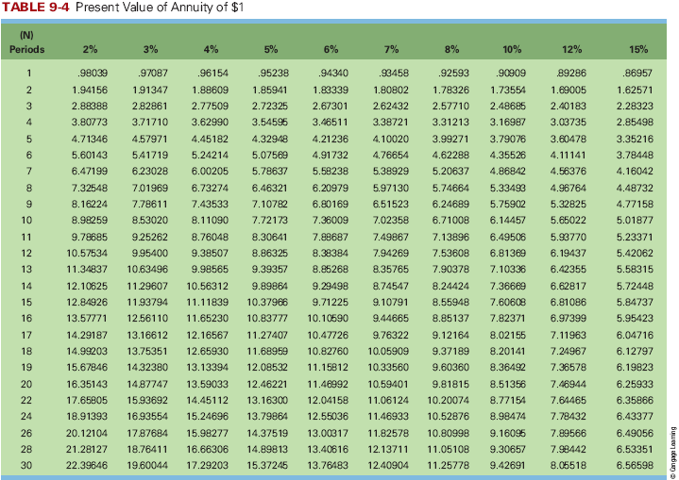

 |  |  |  |  |  | 1120000
 |  |  |  |  |  | 8 Year Semi Annual = 16 Terms
 |  |  |  |  |  | 12% SV
 |  |  |  |  |  | 12% MV
 |  |  |  |  |  |  |  | 67200

 |  |  |  |  |  | Present Value of Principal | 0.39365 | 440888
 |  |  |  |  |  | Present Value of Interest | 10.1059 | 679116.48
 |  |  |  |  |  | Selling Price of Bonds |  | 1120004.48

 |  |  |  |  |  |  | 7% | 9% | DA | CV
 |  |  |  |  | 1120000 | 2014-01-01 |  |  |  | $1,120,000.00
 |  |  |  |  | 12% | 2014-12-31 | $134,400.00 | $134,400.00 | $- | $1,120,000.00
 |  |  |  |  | 134400 | 2015-12-31 | $134,400.00 | $134,400.00 | $- | $1,120,000.00
 |  |  |  |  |  | 2016-12-31 | $134,400.00 | $134,400.00 | $- | $1,120,000.00
 |  |  |  |  |  | 2017-12-31 | $134,400.00 | $134,400.00 | $- | $1,120,000.00
 |  |  |  |  |  | 2018-12-31 | $134,400.00 | $134,400.00 | $- | $1,120,000.00
 |  |  |  |  |  | 2018-12-31 | $134,400.00 | $134,400.00 | $- | $1,120,000.00
 |  |  |  |  |  | 2018-12-31 | $134,400.00 | $134,400.00 | $- | $1,120,000.00
 |  |  |  |  |  | 2018-12-31 | $134,400.00 | $134,400.00 | $- | $1,120,000.00
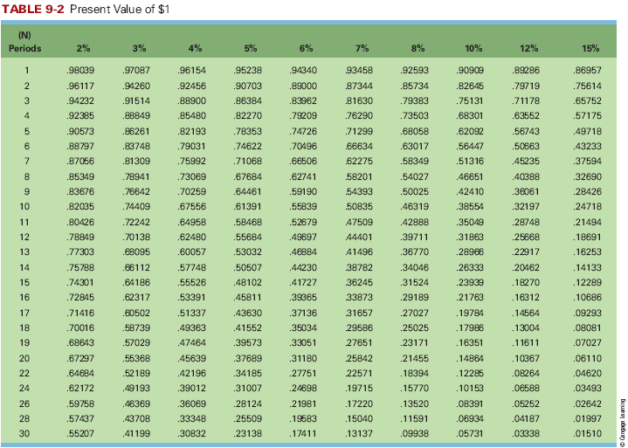
 |  |  |  |  |  |  | $672,000.00 | $672,000.00 | $-
 |  |  |  |  |  |  | $1,344,000.00 | $1,344,000.00
 |  |  |  |  | 134400
 |  |  |  |  | 1254400
 |  |  |  |  |  |  | 67200
 |  |  |  |  |  |  | 1075200
 |  |  |  |  |  |  | 2195200

